Sheet1
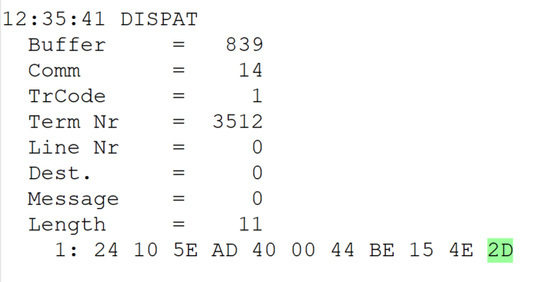
 |  |  |  |  | HEXA | BIN | DEC
TestByte |  | Size | Field Contents
Start | End
1 | 1 | 1 | Control | Sequence | 24 | Control=0010 Sequence=0010 | 2 2 | Control -> x10 - Application Message Sequence -> 2
2 | 2 | 1 | Type = 1 | Subtype = see below | 10 | Type=0001 Subtype=0000 | Type=1 Subtype=0 | Type = 1 Subtype = 0
3 | 4 | 2 | Checksum |  | 5E AD
5 | 5 | 1 | Statistics (see below) |  | 40 | …....... | …....... | x40 = Reader Entry
6 | 7 | 2 | Wager Julian Date |  | 00 44 |  | 68 | 31+28+9=068
8 | 10 | 3 | Wager Serial Number |  | BE 15 4E |  | 12457294 | 12457294
11 | 11 | 1 | Wager Check Digits |  | 2D |  | 45 | 045
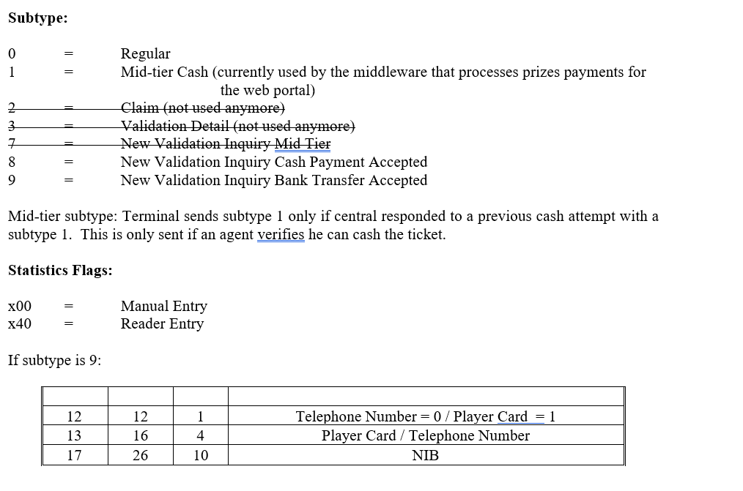
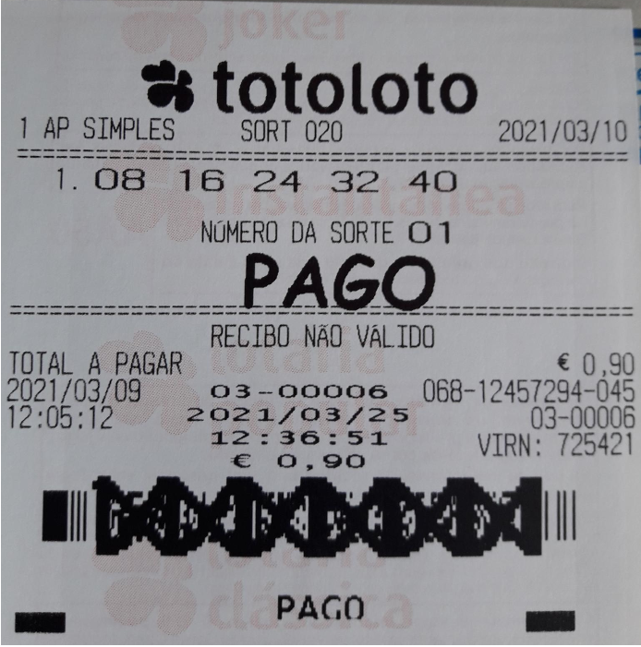

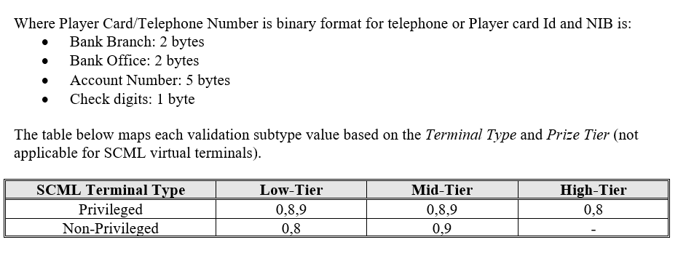

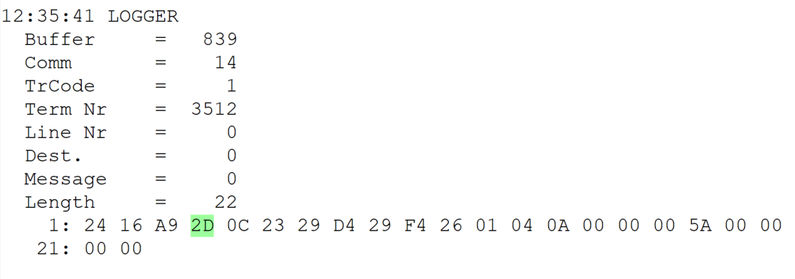
TestByte |  | Size | Field Contents
Start | End
1 | 1 | 1 | Control | Sequence | 24 | Control=0010 Sequence=0100 | 2 4 | Control -> x10 - Application Message Sequence -> 1
2 | 2 | 1 | Type = 1 | Subtype = see below | 16 | Type=0001 Subtype=0110 | Type=1 Subtype=6 | Type = 1 Subtype = 10 6 = New Validation Inquiry Cash Payment
3 | 4 | 2 | Checksum |  | A9 2D
5 | 7 | 3 | Time |  | 0C 23 29 |  | 12:35:41 | 12:35:41
8 | 10 | 3 | Validation Serial Number |  | D4 29 F4 |  | 13904372 | 13904372
11 | 11 | 1 | Validation Check Digits |  | 26 |  | 38 | 038
12 | 12 | 1 | Game Type |  | 01 |  | 1 | LOTT - Totoloto
13 | 13 | 1 | Game Index |  | 04 |  | 4 | Quarta
14 | 14 | 1 | Validation Status |  | 0A |  | 10 | 10 = No Exchange Ticket
15 | 18 | 4 | Cash Amount (Validation Units) |  | 00 00 00 5A |  | 90 | 90 Cent
19 | 22 | 4 | Refund Amount (Validation Units) |  | 00 00 00 00 |  | 0 | 0

